ToDo
Do a Vlookup of Scores from "submitted responses" sheet to "form responses" sheet

Create a Pivot table to display average scores wrt "I am an Aspiring " field for enrolled students

Create a Pivot table for displaying degree and there average scores for only those who submitted test

Is the last average calculated right ?

Create a new sheet named "QuestionWiseScores" in Excel where each student's answers are evaluated with 1 mark for a correct answer and 0 for a wrong answer (refer ss below)

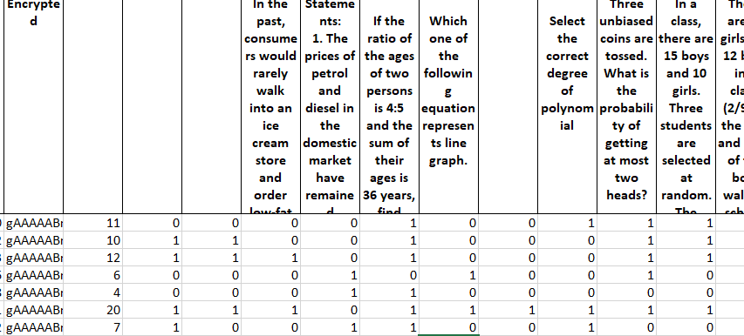

Recalculate Question Wise Score considering 1 mark for right answer and -1 for wrong answer and 0 for empty

Find out average score topic wise

